US
U.S.
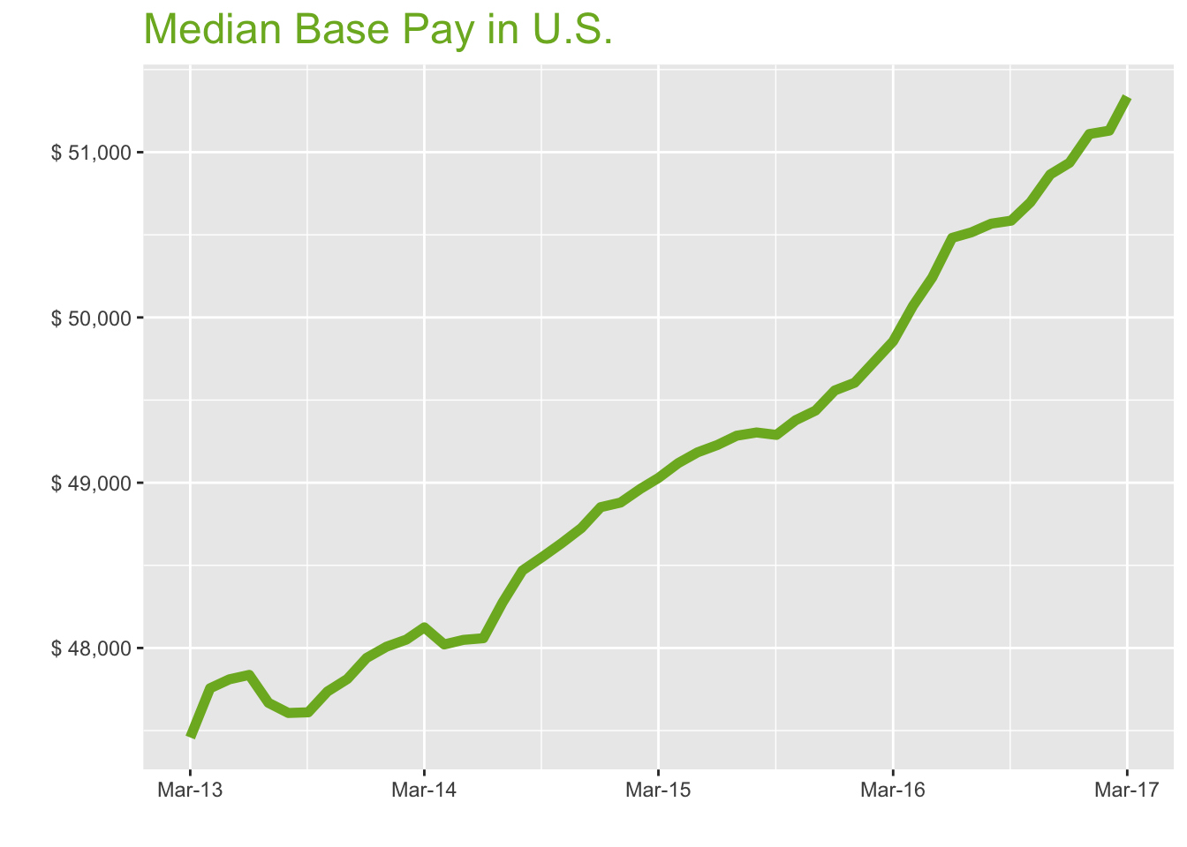
Mar-17

Job Title

Design
 | Median Base Pay | YoY
Graphic Designer | $43,586 | 3.40%
Education
 | Median Base Pay | YoY
Professor | $91,110 | 8.30%
Teacher | $46,013 | 2.70%
Engineering
 | Median Base Pay | YoY
Mechanical Engineer | $73,612 | 2.40%
Design Engineer | $72,416 | 3.70%
Electrical Engineer | $76,401 | 1.20%
Quality Engineer | $73,340 | 3.60%
Field Engineer | $68,704 | 1.60%
Finance
 | Median Base Pay | YoY
Financial Analyst | $62,541 | 2.40%
Accountant | $55,640 | 4.10%
Bank Teller | $28,409 | 5.40%
Tax Manager | $93,418 | 1.00%
Insurance Agent | $43,966 | 4.40%
Health
 | Median Base Pay | YoY
Registered Nurse | $66,006 | 4.50% | Year | Median Base Pay | YOY
Physical Therapist | $73,315 | 3.80% | 2017-03 | $51,336 | 3.0%
Pharmacy Technician | $30,322 | 3.10% | 2017-02 | $51,130 | 2.8%
Medical Assistant | $33,915 | 3.60% | 2017-01 | $51,110 | 3.0%
Physician | $242,235 | 3.00% | 2016-12 | $50,936 | 2.8%
Medical Technologist | $53,579 | 2.80% | 2016-11 | $50,865 | 2.9%
Emergency Medical Technician | $35,135 | 5.20% | 2016-10 | $50,697 | 2.7%
Human Resources |  |  | 2016-09 | $50,586 | 2.6%
 | Median Base Pay | YoY | 2016-08 | $50,568 | 2.6%
Recruiter | $51,915 | 7.40% | 2016-07 | $50,515 | 2.5%
Human Resources Manager | $68,413 | 2.40% | 2016-06 | $50,482 | 2.5%
Labor |  |  | 2016-05 | $50,242 | 2.2%
 | Median Base Pay | YoY | 2016-04 | $50,071 | 1.9%
Technician | $46,396 | 3.10% | 2016-03 | $49,856 | 1.7%
Warehouse Associate | $40,390 | 6.30% | 2016-02 | $49,735 | 1.6%
Truck Driver | $52,604 | 4.10% | 2016-01 | $49,605 | 1.5%
Machine Operator | $39,015 | 1.40% | 2015-12 | $49,558 | 1.4%
Construction Laborer | $40,497 | 0.80% | 2015-11 | $49,437 | 1.5%
Maintenance Worker | $39,904 | 2.80% | 2015-10 | $49,378 | 1.5%
Law |  |  | 2015-09 | $49,289 | 1.5%
 | Median Base Pay | YoY | 2015-08 | $49,304 | 1.7%
Attorney | $99,758 | 5.30% | 2015-07 | $49,284 | 2.1%
Paralegal | $47,424 | 0.00% | 2015-06 | $49,228 | 2.4%
Manufacturing |  |  | 2015-05 | $49,184 | 2.4%
 | Median Base Pay | YoY | 2015-04 | $49,119 | 2.3%
Production Manager | $66,032 | 2.40% | 2015-03 | $49,029 | 1.9%
Manufacturing Engineer | $71,642 | 3.20% | 2015-02 | $48,963 | 1.9%
Media |  |  | 2015-01 | $48,880 | 1.8%
 | Median Base Pay | YoY | 2014-12 | $48,852 | 1.9%
Producer | $52,325 | 2.10% | 2014-11 | $48,726 | 1.9%
Technical Editor | $52,973 | 3.00% | 2014-10 | $48,634 | 1.9%
Operations |  |  | 2014-09 | $48,551 | 2.0%
 | Median Base Pay | YoY | 2014-08 | $48,469 | 1.8%
Operations Manager | $66,575 | 4.60% | 2014-07 | $48,275 | 1.3%
Operations Analyst | $53,277 | 1.50% | 2014-06 | $48,059 | 0.5%
Professional Services |  |  | 2014-05 | $48,049 | 0.5%
 | Median Base Pay | YoY | 2014-04 | $48,021 | 0.6%
Consultant | $74,659 | 2.40% | 2014-03 | $48,125 | 1.4%
Project Manager | $74,378 | 3.10% | 2014-02 | $48,051
Business Analyst | $64,531 | 4.00% | 2014-01 | $48,008
Administrative Assistant | $39,729 | 3.50% | 2013-12 | $47,940
Marketing Manager | $67,955 | 1.00% | 2013-11 | $47,812
Product Manager | $90,399 | 2.10% | 2013-10 | $47,737
Customer Service Manager | $54,273 | 7.40% | 2013-09 | $47,611
Business Development Manager | $68,603 | 3.70% | 2013-08 | $47,607
Communications Manager | $66,475 | 3.10% | 2013-07 | $47,668
Real Estate |  |  | 2013-06 | $47,837
 | Median Base Pay | YoY | 2013-05 | $47,810
Property Manager | $52,219 | 4.20% | 2013-04 | $47,756
Food Services |  |  | 2013-03 | $47,458
 | Median Base Pay | YoY
Restaurant Cook | $28,792 | 5.00%
Retail
 | Median Base Pay | YoY
Store Manager | $49,363 | 7.90%
Cashier | $27,860 | 5.70%
Buyer | $57,431 | 3.40%
Retail Key Holder | $29,846 | 5.60%
Sales
 | Median Base Pay | YoY
Sales Representative | $46,168 | 4.10%
Sales Manager | $61,244 | 0.20%
Technology
 | Median Base Pay | YoY
Software Engineer | $86,159 | 3.80%
Programmer Analyst | $68,831 | 4.10%
Web Developer | $61,767 | -0.90%
Data Scientist | $95,400 | 1.20%
Data Analyst | $58,760 | 4.20%
Java Developer | $74,520 | 0.00%
Web Designer | $50,143 | 1.60%

U.S. Quick Facts

 | Mar-17 | YoY
U.S. Median Pay | $51,336 | 3.00%

Industry

 | Median Base Pay
Accounting & Legal | $51,839
Aerospace & Defense | $54,697
Architecture & Civil Engineering | $52,899
Arts & Entertainment | $46,266
Automotive | $46,659
Banking & Financial Services | $50,969
Beauty & Fitness | $45,218
Biotech & Pharmaceuticals | $54,620
Business Services | $49,352
Computer Software & Hardware | $52,832
Construction | $52,174
Consulting | $52,254
Consumer Electronics | $44,379
Consumer Services | $45,679
Education & Schools | $46,570
Energy & Utilities | $56,859
Facilities | $46,879
Farming & Agriculture | $50,920
Government | $50,859
Health Care & Hospitals | $49,601
Information Technology | $50,726
Insurance | $50,818
Internet & Tech | $51,877
Manufacturing | $52,411
Marketing & Advertising | $48,472
Media & Publishing | $49,278
Nonprofit | $46,233
Private Security | $46,047
Real Estate | $48,917
Recruiting & Staffing | $48,805
Restaurants & Bars | $46,723
Retail | $46,543
Supermarkets | $47,373
Telecommunications | $50,016
Transportation & Logistics | $49,465
Travel & Tourism | $46,827
Wholesale | $49,860

Employer Size

 | Median Base Pay
<51 | $46,324
51-200 | $48,059
201-500 | $49,110
501-1000 | $49,917
1001-5000 | $51,125
5000+ | $52,016

SF
San Francisco Metro
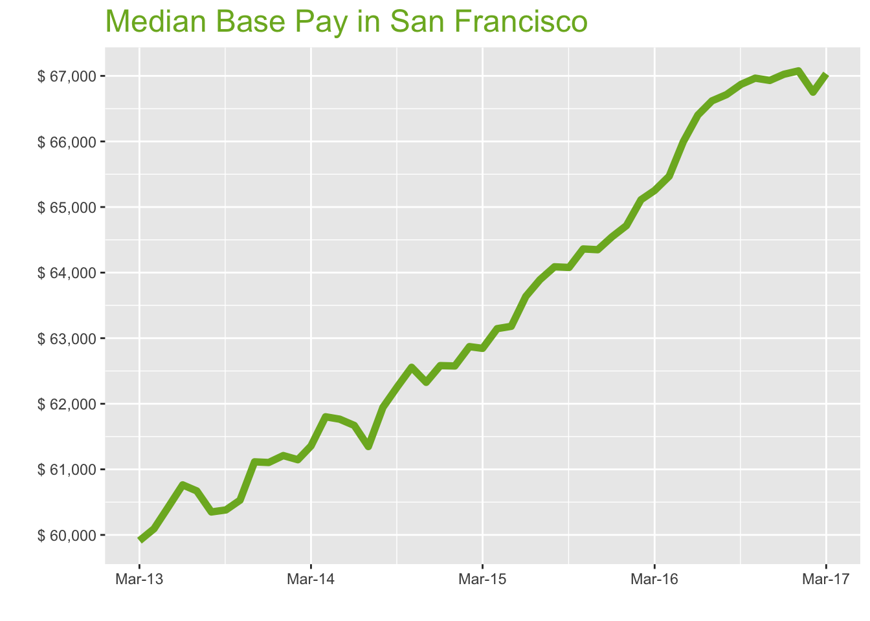
Mar-17

Job Title

Design
 | Median Base Pay | YoY
Graphic Designer | $68,730 | 3.10%
Education
 | Median Base Pay | YoY
Professor | $135,793 | 8.00%
Teacher | $63,075 | 2.50%
Engineering
 | Median Base Pay | YoY
Mechanical Engineer | $92,522 | 2.20%
Design Engineer | $92,579 | 3.50%
Electrical Engineer | $95,180 | 1.00%
Quality Engineer | $91,182 | 3.40%
Field Engineer | $78,072 | 1.40%
Finance
 | Median Base Pay | YoY
Financial Analyst | $82,108 | 2.10%
Accountant | $70,474 | 3.80%
Bank Teller | $32,716 | 5.20%
Tax Manager | $119,037 | 0.80%
Insurance Agent | $52,571 | 4.20%
Health
 | Median Base Pay | YoY
Registered Nurse | $110,667 | 4.30% | Year | Median Base Pay | YOY
Physical Therapist | $94,906 | 3.60% | 2017-03 | $67,032 | 2.7%
Pharmacy Technician | $45,043 | 2.90% | 2017-02 | $66,752 | 2.5%
Medical Assistant | $49,886 | 3.30% | 2017-01 | $67,076 | 3.6%
Physician | $316,297 | 2.70% | 2016-12 | $67,024 | 3.8%
Medical Technologist | $69,961 | 2.60% | 2016-11 | $66,930 | 4.0%
Emergency Medical Technician | $43,533 | 4.90% | 2016-10 | $66,965 | 4.0%
Human Resources |  |  | 2016-09 | $66,871 | 4.4%
 | Median Base Pay | YoY | 2016-08 | $66,715 | 4.1%
Recruiter | $72,498 | 7.10% | 2016-07 | $66,619 | 4.3%
Human Resources Manager | $96,053 | 2.20% | 2016-06 | $66,403 | 4.3%
Labor |  |  | 2016-05 | $65,996 | 4.5%
 | Median Base Pay | YoY | 2016-04 | $65,470 | 3.7%
Technician | $57,805 | 2.90% | 2016-03 | $65,253 | 3.8%
Warehouse Associate | $52,739 | 6.00% | 2016-02 | $65,111 | 3.6%
Truck Driver | $65,762 | 3.80% | 2016-01 | $64,717 | 3.4%
Machine Operator | $46,937 | 1.20% | 2015-12 | $64,544 | 3.1%
Construction Laborer | $50,883 | 0.60% | 2015-11 | $64,349 | 3.2%
Maintenance Worker | $52,105 | 2.60% | 2015-10 | $64,361 | 2.9%
Law |  |  | 2015-09 | $64,079 | 2.9%
 | Median Base Pay | YoY | 2015-08 | $64,089 | 3.5%
Attorney | $146,329 | 5.00% | 2015-07 | $63,892 | 4.1%
Paralegal | $68,756 | -0.30% | 2015-06 | $63,637 | 3.2%
Manufacturing |  |  | 2015-05 | $63,181 | 2.3%
 | Median Base Pay | YoY | 2015-04 | $63,145 | 2.2%
Production Manager | $87,011 | 2.20% | 2015-03 | $62,845 | 2.4%
Manufacturing Engineer | $91,847 | 3.00% | 2015-02 | $62,871 | 2.8%
Media |  |  | 2015-01 | $62,576 | 2.2%
 | Median Base Pay | YoY | 2014-12 | $62,582 | 2.4%
Producer | $83,337 | 1.90% | 2014-11 | $62,327 | 2.0%
Technical Editor | $69,170 | 2.70% | 2014-10 | $62,556 | 3.3%
Operations |  |  | 2014-09 | $62,262 | 3.1%
 | Median Base Pay | YoY | 2014-08 | $61,945 | 2.6%
Operations Manager | $85,735 | 4.40% | 2014-07 | $61,348 | 1.1%
Operations Analyst | $69,289 | 1.20% | 2014-06 | $61,670 | 1.5%
Professional Services |  |  | 2014-05 | $61,765 | 2.2%
 | Median Base Pay | YoY | 2014-04 | $61,801 | 2.8%
Consultant | $97,597 | 2.20% | 2014-03 | $61,357 | 2.4%
Project Manager | $94,415 | 2.90% | 2014-02 | $61,147
Business Analyst | $84,896 | 3.80% | 2014-01 | $61,210
Administrative Assistant | $53,982 | 3.20% | 2013-12 | $61,104
Marketing Manager | $98,562 | 0.70% | 2013-11 | $61,114
Product Manager | $121,683 | 1.80% | 2013-10 | $60,529
Customer Service Manager | $69,783 | 7.20% | 2013-09 | $60,381
Business Development Manager | $90,916 | 3.40% | 2013-08 | $60,350
Communications Manager | $97,870 | 2.90% | 2013-07 | $60,671
Real Estate |  |  | 2013-06 | $60,763
 | Median Base Pay | YoY | 2013-05 | $60,421
Property Manager | $71,808 | 4.00% | 2013-04 | $60,094
Food Services |  |  | 2013-03 | $59,912
 | Median Base Pay | YoY
Restaurant Cook | $35,658 | 4.80%
Retail
 | Median Base Pay | YoY
Store Manager | $64,503 | 7.70%
Cashier | $33,143 | 5.50%
Buyer | $79,129 | 3.10%
Retail Key Holder | $37,323 | 5.40%
Sales
 | Median Base Pay | YoY
Sales Representative | $59,703 | 3.90%
Sales Manager | $79,397 | 0.00%
Technology
 | Median Base Pay | YoY
Software Engineer | $118,982 | 3.60%
Programmer Analyst | $89,288 | 3.90%
Web Developer | $95,579 | -1.20%
Data Scientist | $135,971 | 0.90%
Data Analyst | $87,733 | 3.90%
Java Developer | $98,930 | -0.30%
Web Designer | $75,914 | 1.40%

San Francisco Quick Facts

 | Mar-17 | YoY
San Francisco Median Pay | $67,032 | 2.70%
U.S. Median Pay | $51,336 | 3.00%
Job Openings | 115,385 | 8.10%
 | Jan-17 | YoY
Labor Force Size* | 2,539,795 | 1.00%
Total Employment* | 2,445,896 | 1.20%
Unemployment Rate* | 3.70% | -0.20%

Industry

 | Median Base Pay
Accounting & Legal | $68,345
Aerospace & Defense | $72,113
Architecture & Civil Engineering | $69,743
Arts & Entertainment | $60,997
Automotive | $61,516
Banking & Financial Services | $67,198
Beauty & Fitness | $59,615
Biotech & Pharmaceuticals | $72,012
Business Services | $65,066
Computer Software & Hardware | $69,653
Construction | $68,787
Consulting | $68,892
Consumer Electronics | $58,509
Consumer Services | $60,223
Education & Schools | $61,399
Energy & Utilities | $74,963
Facilities | $61,806
Farming & Agriculture | $67,133
Government | $67,052
Health Care & Hospitals | $65,394
Information Technology | $66,878
Insurance | $66,998
Internet & Tech | $68,395
Manufacturing | $69,099
Marketing & Advertising | $63,906
Media & Publishing | $64,968
Nonprofit | $60,954
Private Security | $60,708
Real Estate | $64,492
Recruiting & Staffing | $64,344
Restaurants & Bars | $61,600
Retail | $61,363
Supermarkets | $62,457
Telecommunications | $65,941
Transportation & Logistics | $65,215
Travel & Tourism | $61,737
Wholesale | $65,735

Employer Size

 | Median Base Pay
<51 | $61,074
51-200 | $63,362
201-500 | $64,747
501-1000 | $65,811
1001-5000 | $67,404
5000+ | $68,578

LA
Los Angeles Metro
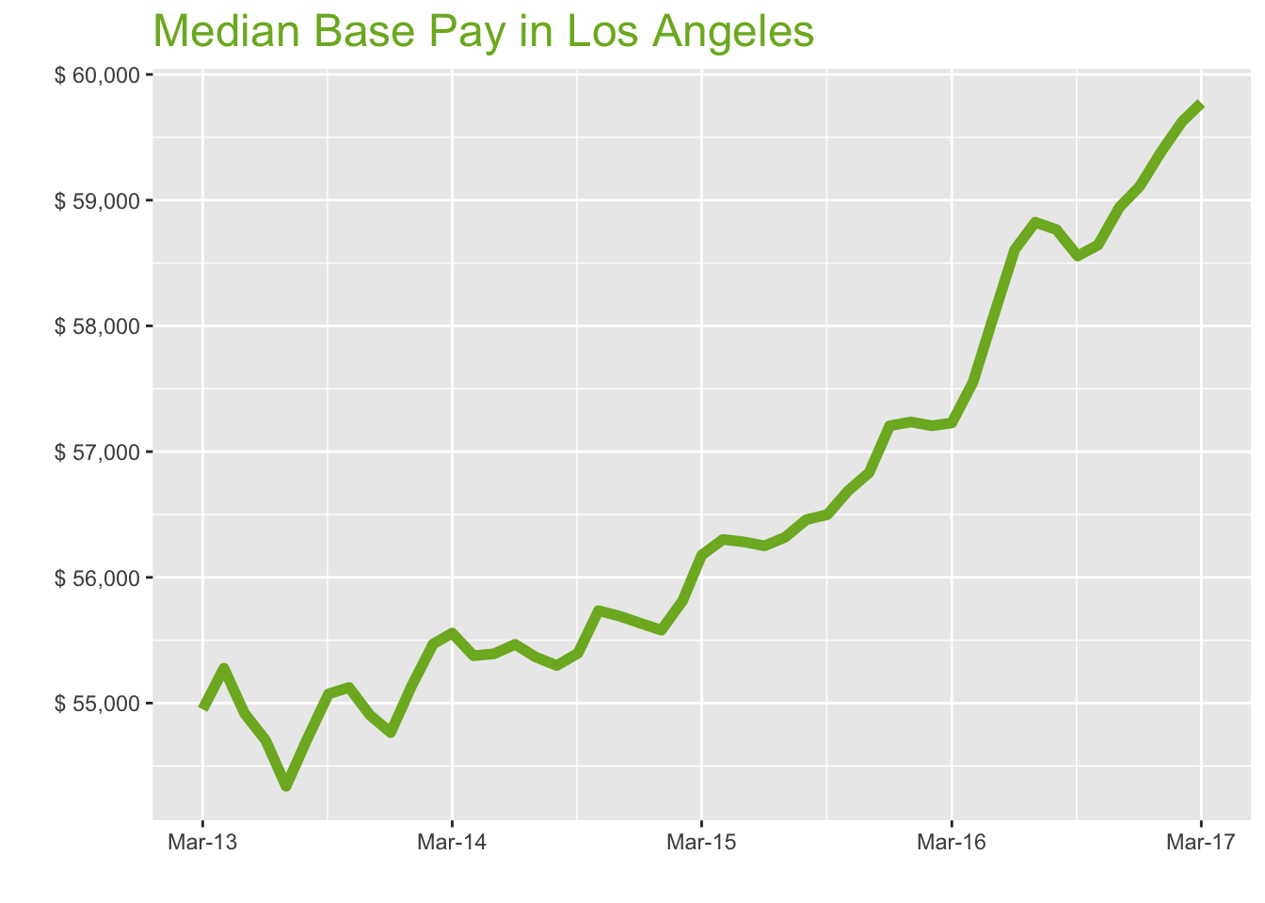
Mar-17

Job Title

Design
 | Median Base Pay | YoY
Graphic Designer | $56,145 | 4.80%
Education
 | Median Base Pay | YoY
Professor | $117,333 | 9.80%
Teacher | $60,752 | 4.20%
Engineering
 | Median Base Pay | YoY
Mechanical Engineer | $81,727 | 3.90%
Design Engineer | $87,152 | 5.20%
Electrical Engineer | $86,976 | 2.60%
Quality Engineer | $83,926 | 5.10%
Field Engineer | $74,953 | 3.10%
Finance
 | Median Base Pay | YoY
Financial Analyst | $71,282 | 3.80%
Accountant | $61,507 | 5.60%
Bank Teller | $30,859 | 6.90%
Tax Manager | $111,212 | 2.40%
Insurance Agent | $52,159 | 5.90%
Health
 | Median Base Pay | YoY
Registered Nurse | $89,268 | 6.00% | Year | Median Base Pay | YOY
Physical Therapist | $91,649 | 5.30% | 2017-03 | $59,772 | 4.4%
Pharmacy Technician | $36,839 | 4.60% | 2017-02 | $59,626 | 4.2%
Medical Assistant | $38,271 | 5.10% | 2017-01 | $59,383 | 3.8%
Physician | $282,044 | 4.40% | 2016-12 | $59,110 | 3.3%
Medical Technologist | $62,384 | 4.30% | 2016-11 | $58,942 | 3.7%
Emergency Medical Technician | $34,835 | 6.70% | 2016-10 | $58,644 | 3.5%
Human Resources |  |  | 2016-09 | $58,556 | 3.6%
 | Median Base Pay | YoY | 2016-08 | $58,766 | 4.1%
Recruiter | $61,116 | 8.90% | 2016-07 | $58,824 | 4.4%
Human Resources Manager | $85,064 | 3.90% | 2016-06 | $58,606 | 4.2%
Labor |  |  | 2016-05 | $58,076 | 3.2%
 | Median Base Pay | YoY | 2016-04 | $57,553 | 2.2%
Technician | $53,440 | 4.60% | 2016-03 | $57,228 | 1.9%
Warehouse Associate | $43,930 | 7.80% | 2016-02 | $57,206 | 2.5%
Truck Driver | $55,989 | 5.60% | 2016-01 | $57,236 | 3.0%
Machine Operator | $36,715 | 2.90% | 2015-12 | $57,205 | 2.8%
Construction Laborer | $40,106 | 2.20% | 2015-11 | $56,833 | 2.0%
Maintenance Worker | $42,075 | 4.30% | 2015-10 | $56,687 | 1.7%
Law |  |  | 2015-09 | $56,499 | 2.0%
 | Median Base Pay | YoY | 2015-08 | $56,459 | 2.1%
Attorney | $131,809 | 6.80% | 2015-07 | $56,319 | 1.7%
Paralegal | $59,630 | 1.40% | 2015-06 | $56,251 | 1.4%
Manufacturing |  |  | 2015-05 | $56,283 | 1.6%
 | Median Base Pay | YoY | 2015-04 | $56,301 | 1.7%
Production Manager | $78,057 | 3.90% | 2015-03 | $56,177 | 1.1%
Manufacturing Engineer | $80,043 | 4.70% | 2015-02 | $55,813 | 0.6%
Media |  |  | 2015-01 | $55,580 | 0.8%
 | Median Base Pay | YoY | 2014-12 | $55,636 | 1.6%
Producer | $78,228 | 3.60% | 2014-11 | $55,692 | 1.4%
Technical Editor | $61,679 | 4.40% | 2014-10 | $55,735 | 1.1%
Operations |  |  | 2014-09 | $55,396 | 0.6%
 | Median Base Pay | YoY | 2014-08 | $55,299 | 1.1%
Operations Manager | $76,174 | 6.10% | 2014-07 | $55,367 | 1.9%
Operations Analyst | $60,178 | 2.90% | 2014-06 | $55,467 | 1.4%
Professional Services |  |  | 2014-05 | $55,392 | 0.9%
 | Median Base Pay | YoY | 2014-04 | $55,377 | 0.2%
Consultant | $93,177 | 3.90% | 2014-03 | $55,557 | 1.1%
Project Manager | $86,454 | 4.60% | 2014-02 | $55,470
Business Analyst | $74,899 | 5.50% | 2014-01 | $55,140
Administrative Assistant | $47,787 | 5.00% | 2013-12 | $54,766
Marketing Manager | $83,722 | 2.40% | 2013-11 | $54,902
Product Manager | $103,586 | 3.50% | 2013-10 | $55,124
Customer Service Manager | $63,362 | 8.90% | 2013-09 | $55,073
Business Development Manager | $79,438 | 5.20% | 2013-08 | $54,717
Communications Manager | $80,658 | 4.60% | 2013-07 | $54,339
Real Estate |  |  | 2013-06 | $54,704
 | Median Base Pay | YoY | 2013-05 | $54,920
Property Manager | $64,778 | 5.70% | 2013-04 | $55,277
Food Services |  |  | 2013-03 | $54,950
 | Median Base Pay | YoY
Restaurant Cook | $32,418 | 6.50%
Retail
 | Median Base Pay | YoY
Store Manager | $61,594 | 9.50%
Cashier | $30,837 | 7.30%
Buyer | $64,867 | 4.90%
Retail Key Holder | $34,264 | 7.10%
Sales
 | Median Base Pay | YoY
Sales Representative | $53,755 | 5.60%
Sales Manager | $73,574 | 1.70%
Technology
 | Median Base Pay | YoY
Software Engineer | $99,784 | 5.30%
Programmer Analyst | $79,919 | 5.60%
Web Developer | $76,937 | 0.50%
Data Scientist | $116,274 | 2.60%
Data Analyst | $71,140 | 5.60%
Java Developer | $86,961 | 1.40%
Web Designer | $60,557 | 3.10%

Los Angeles Quick Facts

 | Mar-17 | YoY
Los Angeles Median Pay | $59,772 | 4.40%
U.S. Median Pay | $51,336 | 3.00%
Job Openings | 174,491 | 12.00%
 | Jan-17 | YoY
Labor Force Size* | 6,630,275 | 0.90%
Total Employment* | 6,311,220 | 1.60%
Unemployment Rate* | 4.80% | -0.70%

Industry

 | Median Base Pay
Accounting & Legal | $59,882
Aerospace & Defense | $63,183
Architecture & Civil Engineering | $61,106
Arts & Entertainment | $53,443
Automotive | $53,898
Banking & Financial Services | $58,876
Beauty & Fitness | $52,233
Biotech & Pharmaceuticals | $63,094
Business Services | $57,008
Computer Software & Hardware | $61,028
Construction | $60,268
Consulting | $60,360
Consumer Electronics | $51,264
Consumer Services | $52,765
Education & Schools | $53,795
Energy & Utilities | $65,680
Facilities | $54,152
Farming & Agriculture | $58,820
Government | $58,749
Health Care & Hospitals | $57,296
Information Technology | $58,596
Insurance | $58,702
Internet & Tech | $59,925
Manufacturing | $60,542
Marketing & Advertising | $55,992
Media & Publishing | $56,922
Nonprofit | $53,406
Private Security | $53,190
Real Estate | $56,505
Recruiting & Staffing | $56,376
Restaurants & Bars | $53,972
Retail | $53,764
Supermarkets | $54,723
Telecommunications | $57,775
Transportation & Logistics | $57,139
Travel & Tourism | $54,091
Wholesale | $57,595

Employer Size

 | Median Base Pay
<51 | $53,511
51-200 | $55,515
201-500 | $56,729
501-1000 | $57,661
1001-5000 | $59,057
5000+ | $60,086

CHI
Chicago Metro
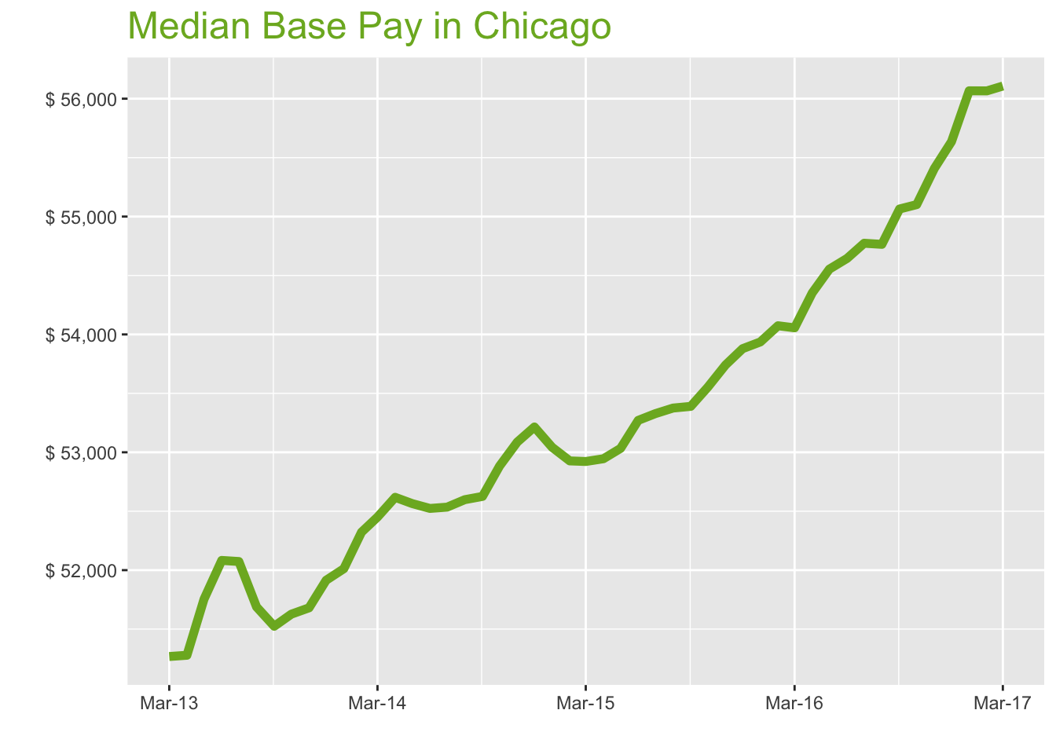
Mar-17

Job Title

Design
 | Median Base Pay | YoY
Graphic Designer | $50,460 | 4.20%
Education
 | Median Base Pay | YoY
Professor | $102,241 | 9.10%
Teacher | $53,868 | 3.60%
Engineering
 | Median Base Pay | YoY
Mechanical Engineer | $74,036 | 3.20%
Design Engineer | $77,162 | 4.60%
Electrical Engineer | $79,449 | 2.00%
Quality Engineer | $76,745 | 4.40%
Field Engineer | $67,448 | 2.50%
Finance
 | Median Base Pay | YoY
Financial Analyst | $67,778 | 3.20%
Accountant | $60,330 | 4.90%
Bank Teller | $29,211 | 6.30%
Tax Manager | $105,045 | 1.80%
Insurance Agent | $45,176 | 5.30%
Health
 | Median Base Pay | YoY
Registered Nurse | $70,283 | 5.30% | Year | Median Base Pay | YOY
Physical Therapist | $77,007 | 4.70% | 2017-03 | $56,107 | 3.8%
Pharmacy Technician | $32,590 | 3.90% | 2017-02 | $56,066 | 3.7%
Medical Assistant | $37,007 | 4.40% | 2017-01 | $56,067 | 4.0%
Physician | $264,749 | 3.80% | 2016-12 | $55,636 | 3.3%
Medical Technologist | $54,200 | 3.60% | 2016-11 | $55,408 | 3.1%
Emergency Medical Technician | $33,503 | 6.00% | 2016-10 | $55,101 | 2.9%
Human Resources |  |  | 2016-09 | $55,064 | 3.1%
 | Median Base Pay | YoY | 2016-08 | $54,764 | 2.6%
Recruiter | $54,339 | 8.30% | 2016-07 | $54,774 | 2.7%
Human Resources Manager | $81,347 | 3.20% | 2016-06 | $54,645 | 2.6%
Labor |  |  | 2016-05 | $54,554 | 2.9%
 | Median Base Pay | YoY | 2016-04 | $54,353 | 2.7%
Technician | $49,604 | 3.90% | 2016-03 | $54,056 | 2.1%
Warehouse Associate | $49,528 | 7.10% | 2016-02 | $54,074 | 2.2%
Truck Driver | $56,940 | 4.90% | 2016-01 | $53,936 | 1.7%
Machine Operator | $40,166 | 2.20% | 2015-12 | $53,879 | 1.2%
Construction Laborer | $45,622 | 1.60% | 2015-11 | $53,741 | 1.2%
Maintenance Worker | $42,669 | 3.60% | 2015-10 | $53,553 | 1.3%
Law |  |  | 2015-09 | $53,390 | 1.5%
 | Median Base Pay | YoY | 2015-08 | $53,375 | 1.5%
Attorney | $114,984 | 6.10% | 2015-07 | $53,328 | 1.5%
Paralegal | $55,464 | 0.80% | 2015-06 | $53,271 | 1.4%
Manufacturing |  |  | 2015-05 | $53,033 | 0.9%
 | Median Base Pay | YoY | 2015-04 | $52,945 | 0.6%
Production Manager | $70,245 | 3.20% | 2015-03 | $52,922 | 0.9%
Manufacturing Engineer | $74,757 | 4.10% | 2015-02 | $52,927 | 1.2%
Media |  |  | 2015-01 | $53,043 | 2.0%
 | Median Base Pay | YoY | 2014-12 | $53,215 | 2.5%
Producer | $64,212 | 2.90% | 2014-11 | $53,087 | 2.7%
Technical Editor | $57,897 | 3.80% | 2014-10 | $52,884 | 2.4%
Operations |  |  | 2014-09 | $52,626 | 2.1%
 | Median Base Pay | YoY | 2014-08 | $52,598 | 1.8%
Operations Manager | $71,233 | 5.50% | 2014-07 | $52,535 | 0.9%
Operations Analyst | $60,389 | 2.30% | 2014-06 | $52,524 | 0.8%
Professional Services |  |  | 2014-05 | $52,565 | 1.6%
 | Median Base Pay | YoY | 2014-04 | $52,618 | 2.6%
Consultant | $89,231 | 3.20% | 2014-03 | $52,450 | 2.3%
Project Manager | $82,305 | 3.90% | 2014-02 | $52,322
Business Analyst | $74,217 | 4.90% | 2014-01 | $52,012
Administrative Assistant | $44,786 | 4.30% | 2013-12 | $51,914
Marketing Manager | $80,379 | 1.80% | 2013-11 | $51,680
Product Manager | $98,241 | 2.90% | 2013-10 | $51,627
Customer Service Manager | $60,252 | 8.30% | 2013-09 | $51,524
Business Development Manager | $73,072 | 4.50% | 2013-08 | $51,688
Communications Manager | $75,976 | 4.00% | 2013-07 | $52,073
Real Estate |  |  | 2013-06 | $52,083
 | Median Base Pay | YoY | 2013-05 | $51,755
Property Manager | $60,881 | 5.10% | 2013-04 | $51,278
Food Services |  |  | 2013-03 | $51,267
 | Median Base Pay | YoY
Restaurant Cook | $30,081 | 5.90%
Retail
 | Median Base Pay | YoY
Store Manager | $54,649 | 8.80%
Cashier | $29,377 | 6.60%
Buyer | $65,930 | 4.20%
Retail Key Holder | $32,231 | 6.50%
Sales
 | Median Base Pay | YoY
Sales Representative | $50,459 | 4.90%
Sales Manager | $70,084 | 1.00%
Technology
 | Median Base Pay | YoY
Software Engineer | $88,369 | 4.60%
Programmer Analyst | $76,271 | 5.00%
Web Developer | $72,848 | -0.20%
Data Scientist | $100,904 | 2.00%
Data Analyst | $66,210 | 5.00%
Java Developer | $81,663 | 0.80%
Web Designer | $59,284 | 2.40%

Chicago Quick Facts

 | Mar-17 | YoY
Chicago Median Pay | $56,107 | 3.80%
U.S. Median Pay | $51,336 | 3.00%
Job Openings | 158,019 | 11.30%
 | Jan-17 | YoY
Labor Force Size* | 4,875,449 | -0.40%
Total Employment* | 4,581,617 | 0.30%
Unemployment Rate* | 6.00% | -0.70%

Industry

 | Median Base Pay
Accounting & Legal | $56,378
Aerospace & Defense | $59,487
Architecture & Civil Engineering | $57,531
Arts & Entertainment | $50,317
Automotive | $50,745
Banking & Financial Services | $55,432
Beauty & Fitness | $49,177
Biotech & Pharmaceuticals | $59,403
Business Services | $53,673
Computer Software & Hardware | $57,458
Construction | $56,743
Consulting | $56,829
Consumer Electronics | $48,265
Consumer Services | $49,678
Education & Schools | $50,648
Energy & Utilities | $61,838
Facilities | $50,984
Farming & Agriculture | $55,379
Government | $55,312
Health Care & Hospitals | $53,944
Information Technology | $55,168
Insurance | $55,267
Internet & Tech | $56,420
Manufacturing | $57,000
Marketing & Advertising | $52,717
Media & Publishing | $53,592
Nonprofit | $50,281
Private Security | $50,079
Real Estate | $53,200
Recruiting & Staffing | $53,078
Restaurants & Bars | $50,815
Retail | $50,619
Supermarkets | $51,521
Telecommunications | $54,395
Transportation & Logistics | $53,796
Travel & Tourism | $50,927
Wholesale | $54,225

Employer Size

 | Median Base Pay
<51 | $50,380
51-200 | $52,267
201-500 | $53,410
501-1000 | $54,288
1001-5000 | $55,602
5000+ | $56,571

HOU
Houston Metro
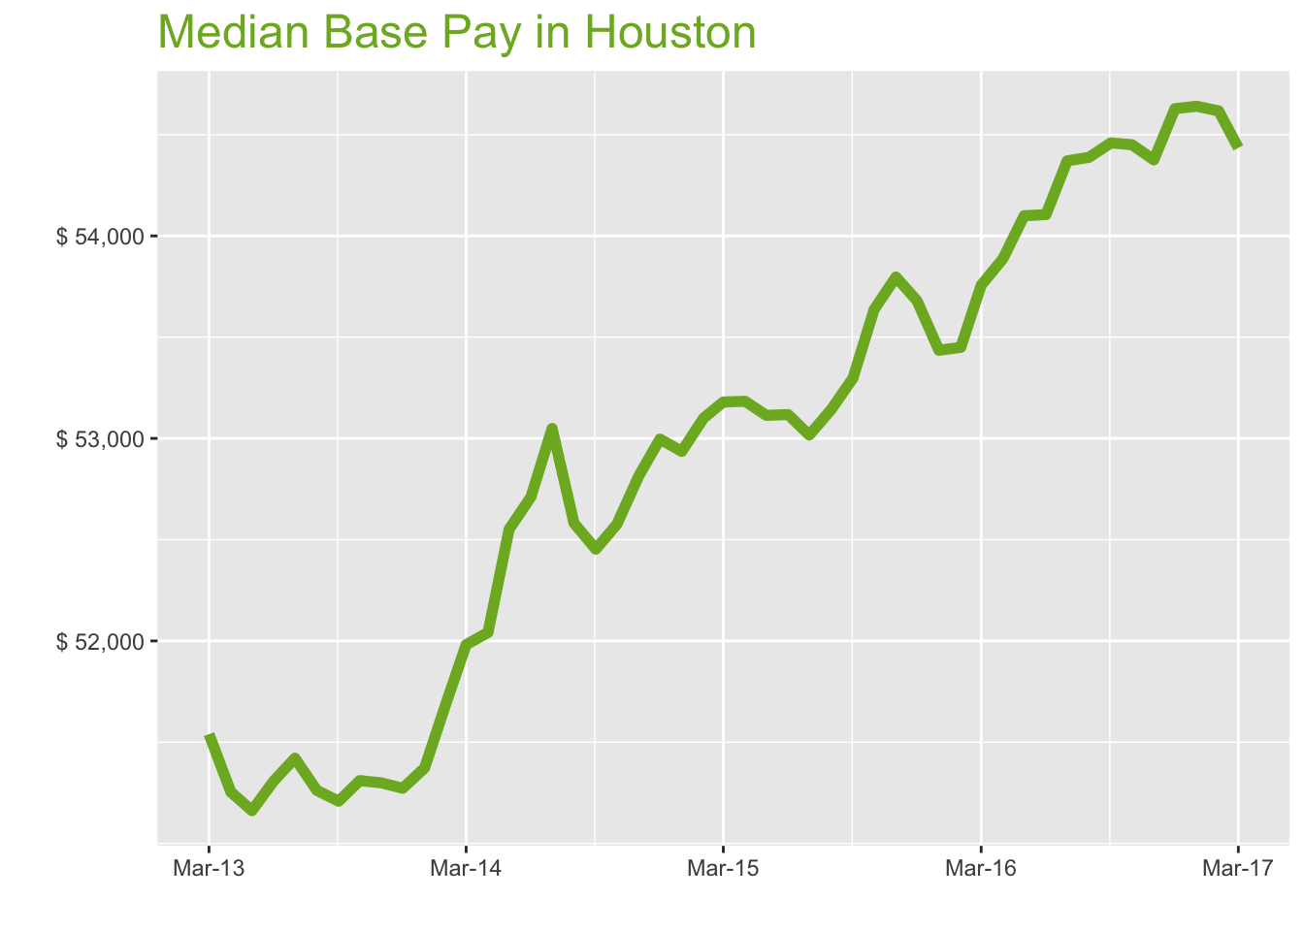
Mar-17

Job Title

Design
 | Median Base Pay | YoY
Graphic Designer | $46,779 | 1.60%
Education
 | Median Base Pay | YoY
Professor | $99,302 | 6.50%
Teacher | $50,257 | 1.00%
Engineering
 | Median Base Pay | YoY
Mechanical Engineer | $82,323 | 0.70%
Design Engineer | $82,973 | 2.00%
Electrical Engineer | $82,867 | -0.50%
Quality Engineer | $75,878 | 1.90%
Field Engineer | $70,324 | 0.00%
Finance
 | Median Base Pay | YoY
Financial Analyst | $69,639 | 0.70%
Accountant | $59,406 | 2.30%
Bank Teller | $28,214 | 3.70%
Tax Manager | $103,062 | -0.70%
Insurance Agent | $41,793 | 2.70%
Health
 | Median Base Pay | YoY
Registered Nurse | $71,019 | 2.80% | Year | Median Base Pay | YOY
Physical Therapist | $77,740 | 2.10% | 2017-03 | $54,435 | 1.3%
Pharmacy Technician | $32,295 | 1.40% | 2017-02 | $54,617 | 2.2%
Medical Assistant | $35,402 | 1.90% | 2017-01 | $54,640 | 2.3%
Physician | $256,855 | 1.30% | 2016-12 | $54,628 | 1.8%
Medical Technologist | $56,879 | 1.10% | 2016-11 | $54,376 | 1.1%
Emergency Medical Technician | $38,857 | 3.40% | 2016-10 | $54,450 | 1.5%
Human Resources |  |  | 2016-09 | $54,459 | 2.2%
 | Median Base Pay | YoY | 2016-08 | $54,388 | 2.3%
Recruiter | $53,966 | 5.60% | 2016-07 | $54,371 | 2.6%
Human Resources Manager | $80,344 | 0.70% | 2016-06 | $54,105 | 1.9%
Labor |  |  | 2016-05 | $54,100 | 1.9%
 | Median Base Pay | YoY | 2016-04 | $53,888 | 1.3%
Technician | $49,250 | 1.40% | 2016-03 | $53,757 | 1.1%
Warehouse Associate | $37,701 | 4.50% | 2016-02 | $53,450 | 0.7%
Truck Driver | $54,761 | 2.40% | 2016-01 | $53,435 | 0.9%
Machine Operator | $40,917 | -0.30% | 2015-12 | $53,680 | 1.3%
Construction Laborer | $37,344 | -0.90% | 2015-11 | $53,797 | 1.9%
Maintenance Worker | $38,009 | 1.10% | 2015-10 | $53,636 | 2.0%
Law |  |  | 2015-09 | $53,298 | 1.6%
 | Median Base Pay | YoY | 2015-08 | $53,142 | 1.1%
Attorney | $126,420 | 3.50% | 2015-07 | $53,017 | -0.1%
Paralegal | $53,610 | -1.70% | 2015-06 | $53,118 | 0.8%
Manufacturing |  |  | 2015-05 | $53,114 | 1.1%
 | Median Base Pay | YoY | 2015-04 | $53,183 | 2.2%
Production Manager | $68,437 | 0.70% | 2015-03 | $53,180 | 2.3%
Manufacturing Engineer | $76,004 | 1.50% | 2015-02 | $53,100 | 2.7%
Media |  |  | 2015-01 | $52,936 | 3.0%
 | Median Base Pay | YoY | 2014-12 | $52,997 | 3.4%
Producer | $56,529 | 0.40% | 2014-11 | $52,815 | 3.0%
Technical Editor | $56,170 | 1.30% | 2014-10 | $52,576 | 2.5%
Operations |  |  | 2014-09 | $52,453 | 2.4%
 | Median Base Pay | YoY | 2014-08 | $52,582 | 2.6%
Operations Manager | $70,526 | 2.90% | 2014-07 | $53,049 | 3.2%
Operations Analyst | $59,708 | -0.20% | 2014-06 | $52,712 | 2.7%
Professional Services |  |  | 2014-05 | $52,551 | 2.7%
 | Median Base Pay | YoY | 2014-04 | $52,042 | 1.5%
Consultant | $83,075 | 0.70% | 2014-03 | $51,982 | 0.9%
Project Manager | $85,133 | 1.40% | 2014-02 | $51,697
Business Analyst | $71,526 | 2.30% | 2014-01 | $51,373
Administrative Assistant | $42,906 | 1.80% | 2013-12 | $51,272
Marketing Manager | $74,301 | -0.70% | 2013-11 | $51,299
Product Manager | $94,713 | 0.40% | 2013-10 | $51,310
Customer Service Manager | $55,368 | 5.60% | 2013-09 | $51,209
Business Development Manager | $78,225 | 2.00% | 2013-08 | $51,262
Communications Manager | $71,492 | 1.40% | 2013-07 | $51,421
Real Estate |  |  | 2013-06 | $51,309
 | Median Base Pay | YoY | 2013-05 | $51,162
Property Manager | $56,037 | 2.50% | 2013-04 | $51,254
Food Services |  |  | 2013-03 | $51,540
 | Median Base Pay | YoY
Restaurant Cook | $27,072 | 3.30%
Retail
 | Median Base Pay | YoY
Store Manager | $52,052 | 6.10%
Cashier | $26,917 | 4.00%
Buyer | $60,740 | 1.70%
Retail Key Holder | $29,981 | 3.90%
Sales
 | Median Base Pay | YoY
Sales Representative | $48,906 | 2.40%
Sales Manager | $66,437 | -1.40%
Technology
 | Median Base Pay | YoY
Software Engineer | $83,819 | 2.10%
Programmer Analyst | $71,220 | 2.40%
Web Developer | $70,954 | -2.60%
Data Scientist | $101,158 | -0.50%
Data Analyst | $64,618 | 2.40%
Java Developer | $81,517 | -1.70%
Web Designer | $52,217 | -0.10%

Houston Quick Facts

 | Mar-17 | YoY
Houston Median Pay | $54,435 | 1.30%
U.S. Median Pay | $51,336 | 3.00%
Job Openings | 76,288 | 4.40%
 | Jan-17 | YoY
Labor Force Size* | 3,291,974 | 1.10%
Total Employment* | 3,102,342 | 0.10%
Unemployment Rate* | 5.80% | 1.00%

Industry

 | Median Base Pay
Accounting & Legal | $54,966
Aerospace & Defense | $57,996
Architecture & Civil Engineering | $56,090
Arts & Entertainment | $49,056
Automotive | $49,473
Banking & Financial Services | $54,043
Beauty & Fitness | $47,945
Biotech & Pharmaceuticals | $57,914
Business Services | $52,328
Computer Software & Hardware | $56,018
Construction | $55,321
Consulting | $55,405
Consumer Electronics | $47,055
Consumer Services | $48,433
Education & Schools | $49,379
Energy & Utilities | $60,288
Facilities | $49,707
Farming & Agriculture | $53,991
Government | $53,926
Health Care & Hospitals | $52,592
Information Technology | $53,785
Insurance | $53,882
Internet & Tech | $55,006
Manufacturing | $55,572
Marketing & Advertising | $51,396
Media & Publishing | $52,249
Nonprofit | $49,021
Private Security | $48,824
Real Estate | $51,867
Recruiting & Staffing | $51,748
Restaurants & Bars | $49,541
Retail | $49,350
Supermarkets | $50,230
Telecommunications | $53,032
Transportation & Logistics | $52,448
Travel & Tourism | $49,651
Wholesale | $52,867

Employer Size

 | Median Base Pay
<51 | $49,118
51-200 | $50,958
201-500 | $52,072
501-1000 | $52,927
1001-5000 | $54,209
5000+ | $55,153

NYC
New York City Metro
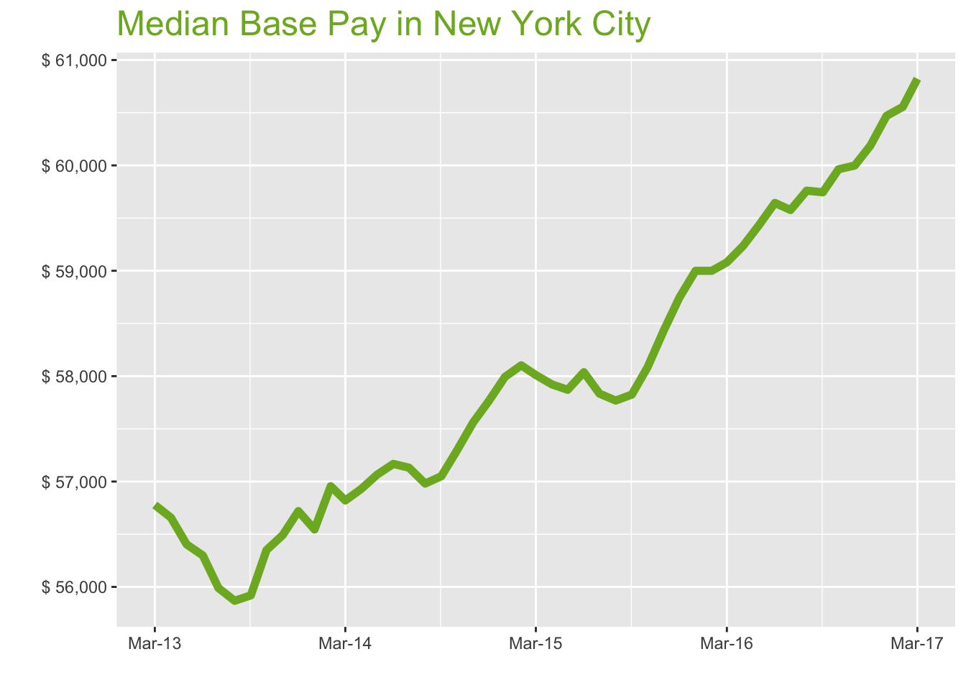
Mar-17

Job Title

Design
 | Median Base Pay | YoY
Graphic Designer | $57,394 | 3.30%
Education
 | Median Base Pay | YoY
Professor | $115,740 | 8.30%
Teacher | $63,307 | 2.70%
Engineering
 | Median Base Pay | YoY
Mechanical Engineer | $74,472 | 2.40%
Design Engineer | $80,212 | 3.70%
Electrical Engineer | $78,333 | 1.20%
Quality Engineer | $78,432 | 3.60%
Field Engineer | $74,986 | 1.60%
Finance
 | Median Base Pay | YoY
Financial Analyst | $77,138 | 2.40%
Accountant | $63,558 | 4.00%
Bank Teller | $31,786 | 5.40%
Tax Manager | $119,992 | 1.00%
Insurance Agent | $45,453 | 4.40%
Health
 | Median Base Pay | YoY
Registered Nurse | $85,183 | 4.50% | Year | Median Base Pay | YOY
Physical Therapist | $79,578 | 3.80% | 2017-03 | $60,822 | 2.9%
Pharmacy Technician | $29,926 | 3.10% | 2017-02 | $60,555 | 2.6%
Medical Assistant | $39,216 | 3.60% | 2017-01 | $60,471 | 2.5%
Physician | $286,997 | 2.90% | 2016-12 | $60,188 | 2.5%
Medical Technologist | $61,432 | 2.80% | 2016-11 | $59,999 | 2.7%
Emergency Medical Technician | $38,988 | 5.20% | 2016-10 | $59,963 | 3.2%
Human Resources |  |  | 2016-09 | $59,745 | 3.3%
 | Median Base Pay | YoY | 2016-08 | $59,760 | 3.4%
Recruiter | $62,033 | 7.40% | 2016-07 | $59,577 | 3.0%
Human Resources Manager | $86,209 | 2.40% | 2016-06 | $59,644 | 2.8%
Labor |  |  | 2016-05 | $59,429 | 2.7%
 | Median Base Pay | YoY | 2016-04 | $59,235 | 2.3%
Technician | $52,812 | 3.10% | 2016-03 | $59,080 | 1.8%
Warehouse Associate | $37,577 | 6.20% | 2016-02 | $59,000 | 1.5%
Truck Driver | $55,649 | 4.10% | 2016-01 | $59,000 | 1.7%
Machine Operator | $39,453 | 1.40% | 2015-12 | $58,745 | 1.7%
Construction Laborer | $46,569 | 0.80% | 2015-11 | $58,432 | 1.5%
Maintenance Worker | $40,364 | 2.80% | 2015-10 | $58,084 | 1.4%
Law |  |  | 2015-09 | $57,825 | 1.4%
 | Median Base Pay | YoY | 2015-08 | $57,768 | 1.4%
Attorney | $130,518 | 5.30% | 2015-07 | $57,834 | 1.2%
Paralegal | $55,837 | -0.10% | 2015-06 | $58,038 | 1.5%
Manufacturing |  |  | 2015-05 | $57,871 | 1.4%
 | Median Base Pay | YoY | 2015-04 | $57,921 | 1.7%
Production Manager | $76,512 | 2.40% | 2015-03 | $58,011 | 2.1%
Manufacturing Engineer | $74,907 | 3.20% | 2015-02 | $58,103 | 2.0%
Media |  |  | 2015-01 | $57,994 | 2.6%
 | Median Base Pay | YoY | 2014-12 | $57,765 | 1.8%
Producer | $77,899 | 2.10% | 2014-11 | $57,561 | 1.9%
Technical Editor | $62,762 | 2.90% | 2014-10 | $57,296 | 1.7%
Operations |  |  | 2014-09 | $57,051 | 2.0%
 | Median Base Pay | YoY | 2014-08 | $56,981 | 2.0%
Operations Manager | $77,388 | 4.60% | 2014-07 | $57,131 | 2.0%
Operations Analyst | $69,908 | 1.40% | 2014-06 | $57,167 | 1.5%
Professional Services |  |  | 2014-05 | $57,066 | 1.2%
 | Median Base Pay | YoY | 2014-04 | $56,932 | 0.5%
Consultant | $93,325 | 2.40% | 2014-03 | $56,820 | 0.1%
Project Manager | $87,582 | 3.10% | 2014-02 | $56,956
Business Analyst | $80,561 | 4.00% | 2014-01 | $56,545
Administrative Assistant | $48,909 | 3.50% | 2013-12 | $56,719
Marketing Manager | $83,872 | 0.90% | 2013-11 | $56,492
Product Manager | $106,978 | 2.10% | 2013-10 | $56,350
Customer Service Manager | $61,931 | 7.40% | 2013-09 | $55,920
Business Development Manager | $81,422 | 3.70% | 2013-08 | $55,868
Communications Manager | $82,299 | 3.10% | 2013-07 | $55,989
Real Estate |  |  | 2013-06 | $56,299
 | Median Base Pay | YoY | 2013-05 | $56,403
Property Manager | $69,821 | 4.20% | 2013-04 | $56,657
Food Services |  |  | 2013-03 | $56,778
 | Median Base Pay | YoY
Restaurant Cook | $31,793 | 5.00%
Retail
 | Median Base Pay | YoY
Store Manager | $59,410 | 7.90%
Cashier | $29,067 | 5.70%
Buyer | $73,182 | 3.40%
Retail Key Holder | $34,641 | 5.60%
Sales
 | Median Base Pay | YoY
Sales Representative | $55,179 | 4.10%
Sales Manager | $75,819 | 0.20%
Technology
 | Median Base Pay | YoY
Software Engineer | $105,046 | 3.80%
Programmer Analyst | $82,153 | 4.10%
Web Developer | $81,804 | -1.00%
Data Scientist | $113,789 | 1.10%
Data Analyst | $71,512 | 4.10%
Java Developer | $83,895 | -0.10%
Web Designer | $63,563 | 1.60%

New York City Quick Facts

 | Mar-17 | YoY
New York City Median Pay | $60,822 | 2.90%
U.S. Median Pay | $51,336 | 3.00%
Job Openings | 256,412 | 7.40%
 | Jan-17 | YoY
Labor Force Size* | 9,926,738 | -1.60%
Total Employment* | 9,469,164 | -1.10%
Unemployment Rate* | 4.60% | -0.50%

Industry

 | Median Base Pay
Accounting & Legal | $61,652
Aerospace & Defense | $65,051
Architecture & Civil Engineering | $62,913
Arts & Entertainment | $55,024
Automotive | $55,492
Banking & Financial Services | $60,617
Beauty & Fitness | $53,777
Biotech & Pharmaceuticals | $64,960
Business Services | $58,694
Computer Software & Hardware | $62,833
Construction | $62,051
Consulting | $62,145
Consumer Electronics | $52,780
Consumer Services | $54,326
Education & Schools | $55,386
Energy & Utilities | $67,623
Facilities | $55,754
Farming & Agriculture | $60,559
Government | $60,486
Health Care & Hospitals | $58,990
Information Technology | $60,329
Insurance | $60,437
Internet & Tech | $61,698
Manufacturing | $62,332
Marketing & Advertising | $57,648
Media & Publishing | $58,606
Nonprofit | $54,985
Private Security | $54,763
Real Estate | $58,176
Recruiting & Staffing | $58,043
Restaurants & Bars | $55,568
Retail | $55,354
Supermarkets | $56,341
Telecommunications | $59,484
Transportation & Logistics | $58,829
Travel & Tourism | $55,691
Wholesale | $59,298

Employer Size

 | Median Base Pay
<51 | $55,093
51-200 | $57,157
201-500 | $58,406
501-1000 | $59,366
1001-5000 | $60,803
5000+ | $61,863

